questions
question_id | count | validation | uncertainty | comments | chat | closed | offensive/defensive
346059 | 0 | 0 | 0 | lof of explaining forum rules | no | yes
282089 | 0 | 0 | 0 | quest for solution | no | yes
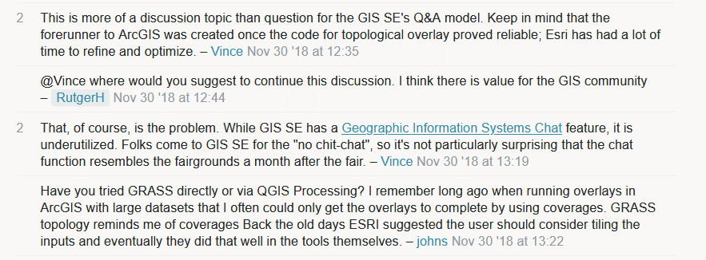
304516 | 0 | 0 | 0 | doubts on fitness of q for gis.SE (nov' 30 18) | no | yes
254232 | 0 | 0 | 0 | investigation to find error in data | no | no
313975 | 0 | 0 | 0 | users trying to help | no | no
230605 | 0 | 0 | 0 | question on computing speed | no | yes
233785 | 0 | 0 | 0 | guessing of a CRS | no | no
273946 | 0 | 0 | 1 | gdal installation pb | no | no
253475 | 0 | 0 | 0 | CRS file setting problems | no | no
270327 | 0 | 0 | 2 | geometrical problem discussions | no | no
277603 | 0 | 0 | 1 | coding speed discussion | no | no
284652 | 0 | 0 | 0 | two people discussion | no | no
291751 | 0 | 0 | 1 | discussion on finding CRS | no | no
304139 | 0 | 0 | 0 | CRS importing chit chat | no | no | 1
314664 | 0 | 0 | 0 | q understanding and CRS discussion | no | no
332587 | 0 | 1 | 1 | displaying data problem | no | no
223498 | 0 | 0 | 2 | database bug | no | no
224668 | 0 | 0 | 0 | two people discussion | no | no
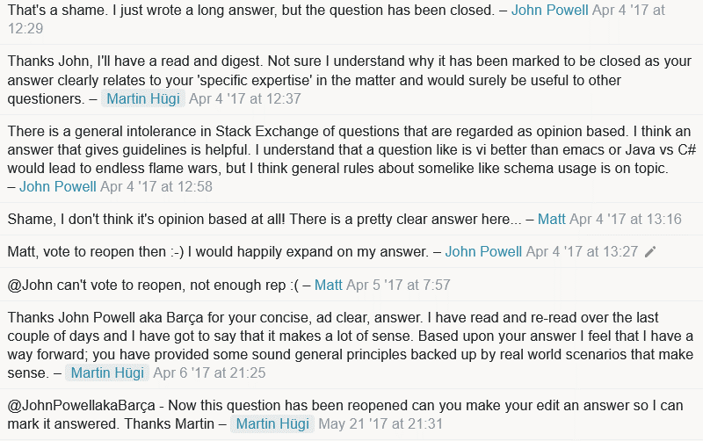
234630 | 0 | 0 | 0 | need for different dbs/schemas | no | no
242337 | 0
258651 | 0
292368 | 0
293799 | 0
306342 | 0
317620 | 0
6037 | 2
32119 | 3
36795 | 2
310347 | 2
137025 | 2
137025 | 2
144077 | 2
165950 | 2
18814 | 2
57338 | 3
64383 | 2
94469 | 2
126380 | 3
182670 | 3
182670 | 3
211000 | 2
300860 | 2
57651 | 2
216871 | 2
256849 | 2
93159 | 2
172504 | 2
227384 | 3
263629 | 2

